Sheet4
SOCIAL BUZZ
Total Post 24573
January's Post 2126
Animal Related post 1897
TOP 5 CONTENT CATEGORY
Unique Category 16

Popularity of Content Type
 | Total
audio | 226127
GIF | 238217
photo | 262838
video | 246463
Number of Post
 | Total
Jan | 2126
Feb | 1914
Mar | 2012
Apr | 1974
May | 2138
Jun | 2021
Jul | 2070
Aug | 2114
Sep | 2022
Oct | 2056
Nov | 2034
Dec | 2092
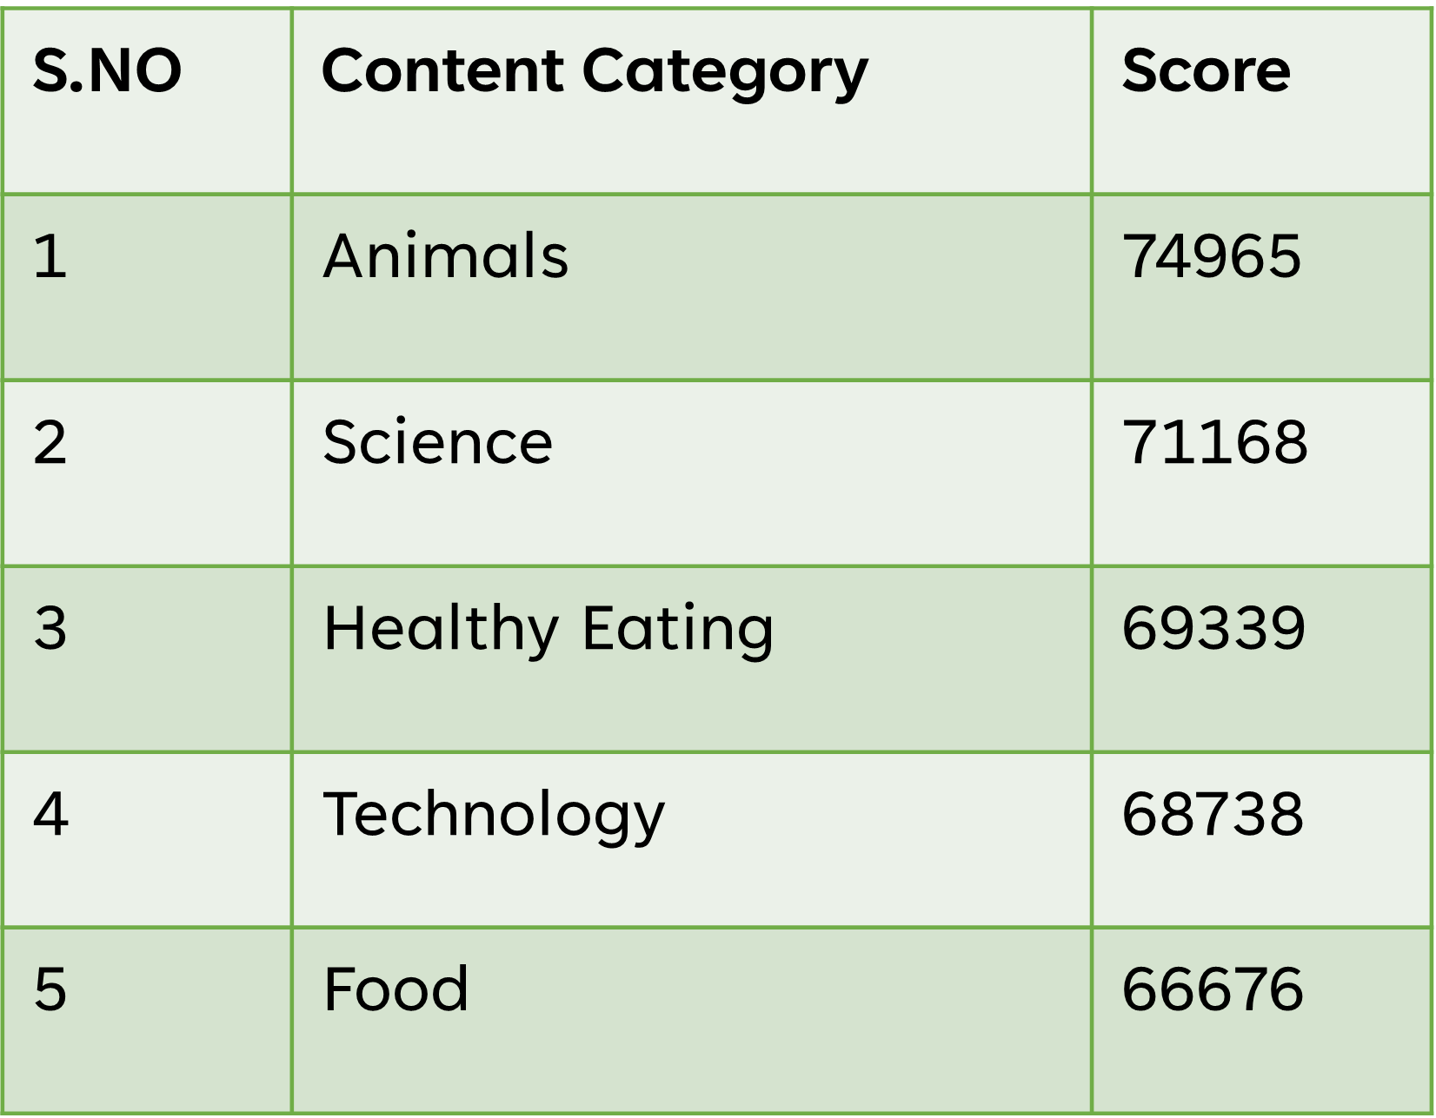
Number of Post
 | Total
Animals | 1897
Cooking | 1664
Culture | 1676
Dogs | 1338
Education | 1433
Fitness | 1395
Food | 1699
Healthy Eating | 1717
Public Speaking | 1217
Science | 1796
Soccer | 1457
Studying | 1363
Technology | 1698
Tennis | 1328
Travel | 1647
Veganism | 1248

FALSE

 | FALSE

Popularity of Month
 | Total
Jan | 82938
Feb | 75509
Mar | 78915
Apr | 78598
May | 86293
Jun | 80369
Jul | 82464
Aug | 82176
Sep | 80077
Oct | 82810
Nov | 82333
Dec | 81163
Popularity of Content
 | Total
Animals | 74965
Cooking | 64756
Culture | 66579
Dogs | 52511
Education | 57436
Fitness | 55323
Food | 66676
Healthy Eating | 69339
Public Speaking | 49264
Science | 71168
Soccer | 57783
Studying | 54269
Technology | 68738
Tennis | 50339
Travel | 64880
Veganism | 49619

Count of Sentiment
 | Total
negative | 7695
neutral | 3071
positive | 13807

